Puma
 |  | EU | 36 | 36.5 | 37 | 37.5 | 38 | 38.5 | 39 | 39.5 | 40 | 40.5 | 41 | 41.5 | 42 | 42.5 | 43 | 43.5 | 44 | 44.5 | 45 | 45.5 | 46 | 47
IMAGE | MODEL | ARTICLE |  |  |  |  |  |  |  |  |  |  |  |  |  |  |  |  |  |  |  |  |  |  | TOT
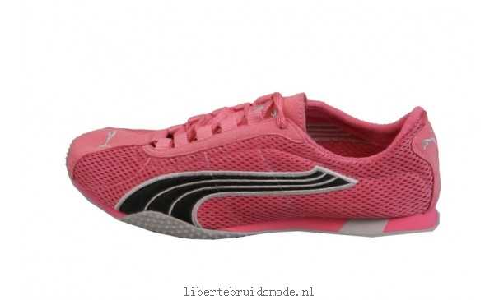 | H. Street | 180122-23 |  |  | 7 | 25 | 32 | 40 | 35 |  | 20 | 6 | 2 |  |  |  |  |  |  |  |  |  |  |  | 167
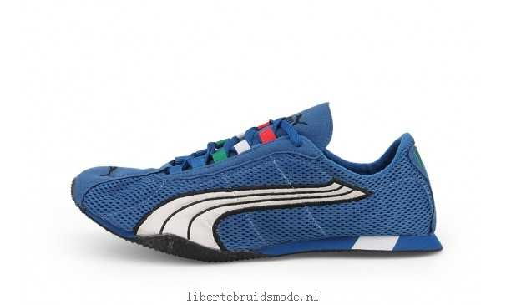 | H. Street | 180949-01 |  |  | 7 | 4 | 5 | 3 | 6 |  | 4 |  |  |  |  |  |  |  |  |  |  |  |  |  | 29
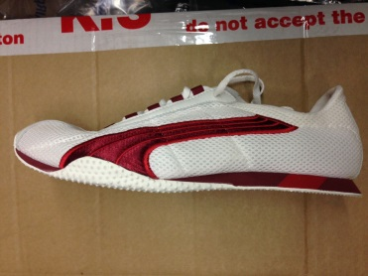 | H. Street | 180122-10 |  |  |  |  |  |  |  |  |  |  |  |  |  | 8 |  |  | 9 |  |  |  |  |  | 17
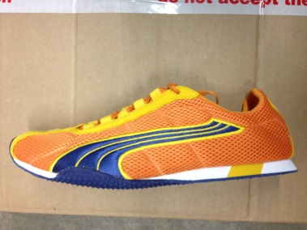 | H. Street | 180122-20 |  |  |  |  |  |  |  |  |  | 1 |  |  |  |  |  |  |  |  | 1 |  |  |  | 2
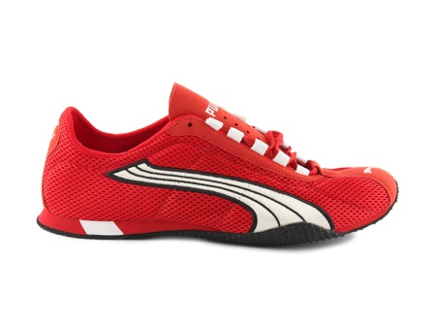 | H. Street | 180122-19 |  |  |  |  |  |  |  |  |  | 1 |  |  |  |  |  |  |  |  |  |  |  |  | 1
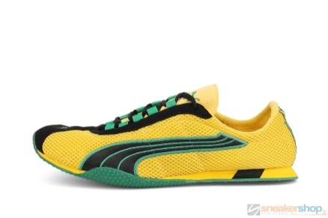 | H. Street | 180366-01 |  |  |  |  | 3 |  | 10 |  | 12 | 2 | 20 |  | 10 | 6 | 9 |  | 30 |  | 9 |  | 7 |  | 118
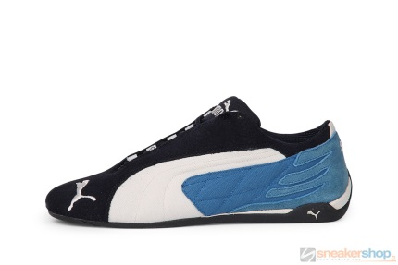 | Replicat Low | 300220-02 | 2 |  | 12 |  | 10 |  | 2 |  |  |  |  |  | 1 |  |  |  |  |  |  |  |  |  | 27
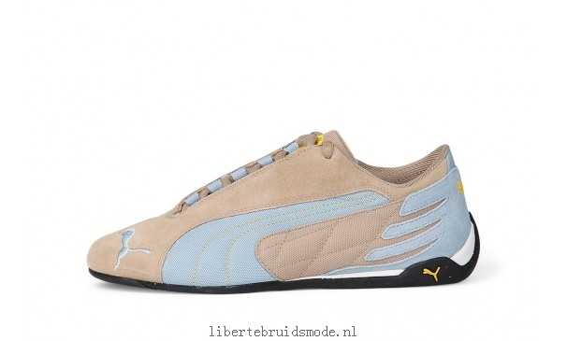 | Replicat Low | 300220-18 | 1 |  | 2 |  | 1 |  |  |  |  |  | 1 |  | 1 |  |  |  |  |  |  |  | 1 |  | 7
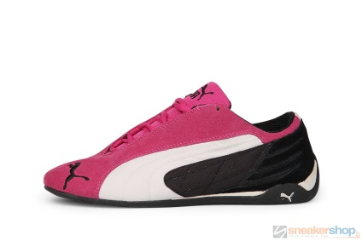 | Replicat Low | 300220-10 | 10 |  | 30 |  | 40 |  | 60 |  | 60 |  | 30 |  | 13 |  |  |  |  |  |  |  |  |  | 243
 | Speedcat P | 300350-21 | 2 |  | 7 |  | 6 |  | 2 |  | 3 |  | 7 |  | 7 |  | 6 |  | 5 |  |  |  |  |  | 45
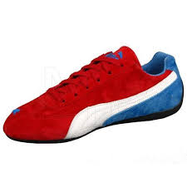 | Speedcat P | 300350-22 | 2 |  | 2 |  | 3 |  | 3 |  | 3 |  | 2 |  | 2 |  |  |  | 1 |  | 2 |  |  |  | 20
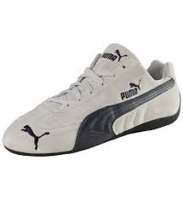 | Speedcat SD US | 300465-03 |  |  |  |  | 6 |  | 5 |  |  |  |  |  | 15 |  | 7 |  |  |  |  |  |  |  | 33
 |  |  |  |  |  |  |  |  |  |  |  |  |  |  |  |  |  |  |  |  |  |  |  |  | 709

